Final Plate (library prep)
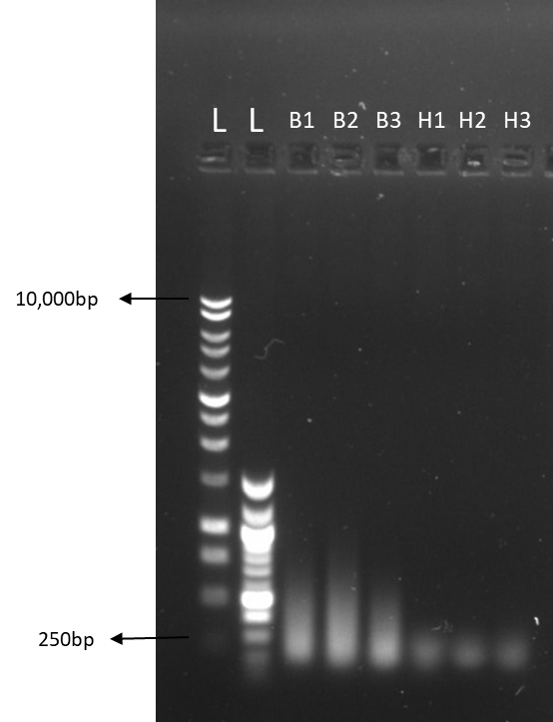
2020-02-19
current location of plate: Graham Davies building floor 5 freezer B
Library prep plate layout
 | 1 | 2 | 3 | 4 | 5 | 6 | 7 | 8 | 9 | 10 | 11 | 12 | notes*
A | N1A | N1A | N1A | N1A | N2A | N2A | N3A | N3A | N4A | N4A | N5A | N5A | wells A1 to B6 contain samples from plate one
B | N6A | N6A | N7A | N7A | N8A | N8A | N9A | N9A | N10A | N10A | N11A | N11A
C | N12A | N12A | N13A | N13A | N15A | N15A | N16A | N16A | N17A | N17A | N18A | N18A | Wells B7 to D8 contain samples from Plate 2
D | N19A | N19A | N20A | N20A | N21A | N21A | N22A | N22A | N16B | N16B | N15B | N15B | Wells D9 to F12 contain samples from Plate 4
E | N23B | N23B | N12B | N12B | N11B | N11B | N18B | N18B | N9B | N9B | N20B | N20B
F | N10B | N10B | N22B | N22B | N17B | N17B | N25B | N25B | N24A | N24A | N25A | N25A | Wells G1 to H12 contain mf samples collected from Billy belonging to individual 018
G | mf | mf | mf | mf | mf | mf | mf | mf | mf | mf | mf | mf
H | mf | mf | mf | mf | mf | mf | mf | mf | mf | mf | mf | mf

Barcode Info = |  | Plate | Tray | Plate (again?) | Lot | exp
 |  | E6441 | 10054445 | 19 | 10051033 | Aug-21

All Information on wells and samples

well | Sample ID |  |  | Original sample (= og) ID |  |  | Storage format (og) |  |  | Storage container (og) |  |  | Storage location of og | DNA concentration on storage plate (ng/µl) | Amount of sample left on storage plate (µl) | amount of storage sample needed for library (µl) | Barcode plate well used | Barcode: I7_Index_ID | Barcode: Index 1 | Barcode: I5_Index_ID | Barcode: Index 2
A1 | N1A |  |  | 967-013.06m.23-1 |  |  | nodule cut in 2 |  |  | big pot |  |  | JBB cat 3 freezer, second draw | 1.32 | 22.4 | 7.6 | A1 | S762 | TTACCGAC | S512 | CGTATTCG
A2 | N1A |  |  | 967-013.06m.23-1 |  |  | nodule cut in 2 |  |  | big pot |  |  | JBB cat 3 freezer, second draw | 4.19 | 27.6 | 2.4 | A2 | S729 | AGTGACCT | S591 | CTCCTAGA
A3 | N1A |  |  | 967-013.06m.23-1 |  |  | nodule cut in 2 |  |  | big pot |  |  | JBB cat 3 freezer, second draw | 15.1 | 29.3 | 0.7 | A3 | S702 | TCGGATTC | S523 | TAGTTGCG
A4 | N1A |  |  | 967-013.06m.23-1 |  |  | nodule cut in 2 |  |  | big pot |  |  | JBB cat 3 freezer, second draw | 30.6 | 29.7 | 0.3 | A4 | S763 | CAAGGTAC | S505 | GAGATACG
A5 | N2A |  |  | 967-009.06m.22-1 |  |  | nodule cut in 2 |  |  | big pot |  |  | JBB cat 3 freezer, second draw | 15.9 | 29.4 | 0.6 | A5 | S769 | TCCTCATG | S519 | AGGTGTAC
A6 | N2A |  |  | 967-009.06m.22-1 |  |  | nodule cut in 2 |  |  | big pot |  |  | JBB cat 3 freezer, second draw | 6.87 | 28.5 | 1.5 | A6 | S771 | GTCAGTCA | S531 | TAATGCCG
A7 | N3A |  |  | 967-009.06m.16-1-1 |  |  | nodule cut in 2 |  |  | big pot |  |  | JBB cat 3 freezer, second draw | 4.55 | 27.8 | 2.2 | A7 | S712 | CGAATACG | S562 | GTCGGTAA
A8 | N3A |  |  | 967-009.06m.16-1-1 |  |  | nodule cut in 2 |  |  | big pot |  |  | JBB cat 3 freezer, second draw | 0.83 | 18.0 | 12.0 | A8 | S791 | TCTAGGAG | S529 | AGGTCACT
A9 | N4A |  |  | 967-030.06m.22-1-1 |  |  | nodule cut in 2 |  |  | big pot |  |  | JBB cat 3 freezer, second draw | 2.8 | 26.4 | 3.6 | A9 | S723 | CGCAACTA | S502 | GAATCCGA
A10 | N4A |  |  | 967-030.06m.22-1-1 |  |  | nodule cut in 2 |  |  | big pot |  |  | JBB cat 3 freezer, second draw | 3.99 | 27.5 | 2.5 | A10 | S705 | CGTATCTC | S563 | GTACCTTG
A11 | N5A |  |  | 967-018.06m.23-1 |  |  | nodule cut in 2 |  |  | big pot |  |  | JBB cat 3 freezer, second draw | 1.79 | 24.4 | 5.6 | A11 | S719 | GTACACCT | S569 | CATGAGGA
A12 | N5A |  |  | 967-018.06m.23-1 |  |  | nodule cut in 2 |  |  | big pot |  |  | JBB cat 3 freezer, second draw | 0.61 | 13.6 | 16.4 | A12 | S731 | CGGCATTA | S571 | TGACTGAC
B1 | N6A |  |  | 967-013.06m.24-1 |  |  | nodule cut in 2 |  |  | big pot |  |  | JBB cat 3 freezer, second draw | 218.4 | 28.4 | 1.6 | B1 | S713 | TCGTCTGA | S586 | TCAAGGAC
B2 | N6A |  |  | 967-013.06m.24-1 |  |  | nodule cut in 2 |  |  | big pot |  |  | JBB cat 3 freezer, second draw | n/a | 4.0 | 26.0 | B2 | S777 | AGCCTATC | S526 | GTTACGCA
B3 | N7A |  |  | 967-009.06m.16-1-2 |  |  | nodule cut in 2 |  |  | big pot |  |  | JBB cat 3 freezer, second draw | 234.5 | 28.5 | 1.5 | B3 | S796 | CTGTACCA | S507 | AGTCTGTG
B4 | N7A |  |  | 967-009.06m.16-1-2 |  |  | nodule cut in 2 |  |  | big pot |  |  | JBB cat 3 freezer, second draw | 745.5 | 29.5 | 0.5 | B4 | S797 | AGACCTTG | S501 | GCACGTAA
B5 | N8A |  |  | 967-013.06m.3-1 |  |  | nodule cut in 2 |  |  | big pot |  |  | JBB cat 3 freezer, second draw | 458.5 | 29.2 | 0.8 | B5 | S752 | AGGATAGC | S544 | AACCTTGG
B6 | N8A |  |  | 967-013.06m.3-1 |  |  | nodule cut in 2 |  |  | big pot |  |  | JBB cat 3 freezer, second draw | 62.65 | 24.4 | 5.6 | B6 | S779 | CCTTCCAT | S589 | ATTGCGTG
B7 | N9A |  |  | 952-013-17-1-1 |  |  | nodule cut in 2 |  |  | cryovial |  |  | JBB cat 3 freezer, second draw | 1.79 | 18.8 | 11.2 | B7 | S786 | GTCCTTGA | S513 | TCAGACGA
B8 | N9A |  |  | 952-013-17-1-1 |  |  | nodule cut in 2 |  |  | cryovial |  |  | JBB cat 3 freezer, second draw | 0.438 | 25.4 | 4.6 | B8 | S726 | TGCGTAAC | S577 | GATAGGCT
B9 | N10A |  |  | 956-009-24-1-1 |  |  | nodule cut in 2 |  |  | cryovial |  |  | JBB cat 3 freezer, second draw | 2 | 29.0 | 1.0 | B9 | S707 | CACAGACT | S596 | TGGTACAG
B10 | N10A |  |  | 956-009-24-1-1 |  |  | nodule cut in 2 |  |  | cryovial |  |  | JBB cat 3 freezer, second draw | 0.8 | 5.0 | 25.0 | B10 | S701 | TTACGTGC | S597 | CAAGGTCT
B11 | N11A |  |  | 973-004-24-1 |  |  | nodule cut in 2 |  |  | cryovial |  |  | JBB cat 3 freezer, second draw | 1.4 | 28.6 | 1.4 | B11 | S744 | CCAAGGTT | S552 | GCTATCCT
B12 | N11A |  |  | 973-004-24-1 |  |  | nodule cut in 2 |  |  | cryovial |  |  | JBB cat 3 freezer, second draw | 0.38 | 24.7 | 5.3 | B12 | S789 | CACGCAAT | S579 | ATGGAAGG
C1 | N12A |  |  | 952-013-16-1-1 |  |  | nodule cut in 2 |  |  | cryovial |  |  | JBB cat 3 freezer, second draw | 0.2 | 20.0 | 10.0 | C1 | S736 | TTCCAGGT | S543 | AAGCACTG
C2 | N12A |  |  | 952-013-16-1-1 |  |  | nodule cut in 2 |  |  | cryovial |  |  | JBB cat 3 freezer, second draw | 2.6 | 22.3 | 7.7 | C2 | S772 | TCATCTCC | S567 | CTAGCAAG
C3 | N13A |  |  | 967-012-11-1 |  |  | nodule cut in 2 |  |  | cryovial |  |  | JBB cat 3 freezer, second draw | n/a | 4.0 | 26.0 | C3 | S757 | GAGAGTAC | S545 | TGCTTCCA
C4 | N13A |  |  | 967-012-11-1 |  |  | nodule cut in 2 |  |  | cryovial |  |  | JBB cat 3 freezer, second draw | 0.57 | 26.5 | 3.5 | C4 | S735 | GTCGTTAC | S554 | GCTTAGCT
C5 | N15A |  |  | 950-024-16-1-1 |  |  | nodule cut in 2 |  |  | cryovial |  |  | JBB cat 3 freezer, second draw | 0.44 | 25.5 | 4.5 | C5 | S704 | GGAGGAAT | S585 | AACCGTTC
C6 | N15A |  |  | 950-024-16-1-1 |  |  | nodule cut in 2 |  |  | cryovial |  |  | JBB cat 3 freezer, second draw | n/a | 4.0 | 26.0 | C6 | S788 | AGGAACAC | S587 | GACATTCC
C7 | N16A |  |  | 952-013-23-1-2 |  |  | nodule cut in 2 |  |  | cryovial |  |  | JBB cat 3 freezer, second draw | 0.2 | 20.0 | 10.0 | C7 | S743 | CAGTGCTT | S536 | ACCTGGAA
C8 | N16A |  |  | 952-013-23-1-2 |  |  | nodule cut in 2 |  |  | cryovial |  |  | JBB cat 3 freezer, second draw | 1.3 | 28.5 | 1.5 | C8 | S767 | CTTGCTAG | S572 | GGAGATGA
C9 | N17A |  |  | 952-013-17-1-2 |  |  | nodule cut in 2 |  |  | cryovial |  |  | JBB cat 3 freezer, second draw | 0.07 | 1.4 | 28.6 | C9 | S745 | TGGAAGCA | S557 | GTACTCTC
C10 | N17A |  |  | 952-013-17-1-2 |  |  | nodule cut in 2 |  |  | cryovial |  |  | JBB cat 3 freezer, second draw | 0.157 | 17.3 | 12.7 | C10 | S754 | AGCTAAGC | S535 | GTAACGAC
C11 | N18A |  |  | 967-038-33-1-1 |  |  | nodule cut in 2 |  |  | cryovial |  |  | JBB cat 3 freezer, second draw | 0.146 | 16.3 | 13.7 | C11 | S785 | GAACGGTT | S504 | ATTCCTCC
C12 | N18A |  |  | 967-038-33-1-1 |  |  | nodule cut in 2 |  |  | cryovial |  |  | JBB cat 3 freezer, second draw | 0.31 | 23.5 | 6.5 | C12 | S787 | GGAATGTC | S588 | GTGTTCCT
D1 | N19A |  |  | 967-038-33-1-2 |  |  | nodule cut in 2 |  |  | cryovial |  |  | JBB cat 3 freezer, second draw | 0.465 | 25.7 | 4.3 | D1 | S709 | TACGGTCT | S575 | GCAATGGA
D2 | N19A |  |  | 967-038-33-1-2 |  |  | nodule cut in 2 |  |  | cryovial |  |  | JBB cat 3 freezer, second draw | 0.343 | 24.2 | 5.8 | D2 | S725 | CCAGTATC | S538 | ATCTCGCT
D3 | N20A |  |  | 967-038-22-1-2 |  |  | nodule cut in 2 |  |  | cryovial |  |  | JBB cat 3 freezer, second draw | 1.36 | 28.5 | 1.5 | D3 | S783 | TCTACGCA | S546 | GGCTATTG
D4 | N20A |  |  | 967-038-22-1-2 |  |  | nodule cut in 2 |  |  | cryovial |  |  | JBB cat 3 freezer, second draw | 0.431 | 25.4 | 4.6 | D4 | S727 | GTAACCGA | S598 | GGTGTCTT
D5 | N21A |  |  | 967-038-33-1-3 |  |  | nodule cut in 2 |  |  | cryovial |  |  | JBB cat 3 freezer, second draw | 0.329 | 23.9 | 6.1 | D5 | S715 | GACGTCAT | S518 | TCAACTGG
D6 | N21A |  |  | 967-038-33-1-3 |  |  | nodule cut in 2 |  |  | cryovial |  |  | JBB cat 3 freezer, second draw | 0.309 | 23.5 | 6.5 | D6 | S739 | CTTACAGC | S503 | CTTCACCA
D7 | N22A |  |  | 950-024-16-1-2 |  |  | nodule cut in 2 |  |  | cryovial |  |  | JBB cat 3 freezer, second draw | 1.89 | 19.4 | 10.6 | D7 | S775 | TCCATTGC | S509 | AGACCGTA
D8 | N22A |  |  | 950-024-16-1-2 |  |  | nodule cut in 2 |  |  | cryovial |  |  | JBB cat 3 freezer, second draw | 3.65 | 24.5 | 5.5 | D8 | S738 | AGCGAGAT | S525 | GATACTGG
D9 | N16B |  |  | 952-013-23-1-2 |  |  | dissected worm |  |  | cryovial |  |  | JBB cat 3 freezer, second draw | 6.69 | 27.0 | 3.0 | D9 | S746 | CAATAGCC | S583 | TGCGTAGA
D10 | N16B |  |  | 952-013-23-1-2 |  |  | dissected worm |  |  | cryovial |  |  | JBB cat 3 freezer, second draw | 0.32 | 23.8 | 6.3 | D10 | S798 | AAGACACC | S527 | TCGGTTAC
D11 | N15B |  |  | 950-024-16-1-1 |  |  | dissected worm |  |  | cryovial |  |  | JBB cat 3 freezer, second draw | N/A | 4.0 | 26.0 | D11 | S718 | CCAGTTGA | S515 | ATGACGTC
D12 | N15B |  |  | 950-024-16-1-1 |  |  | dissected worm |  |  | cryovial |  |  | JBB cat 3 freezer, second draw | N/A | 4.0 | 26.0 | D12 | S703 | TGGTGAAG | S539 | GCTGTAAG
E1 | N23B |  |  | 967-012-16-1 |  |  | dissected worm |  |  | cryovial |  |  | JBB cat 3 freezer, second draw | 2 | 20.0 | 10.0 | E1 | S732 | AAGACCGT | S550 | CAATCGAC
E2 | N23B |  |  | 967-012-16-1 |  |  | dissected worm |  |  | cryovial |  |  | JBB cat 3 freezer, second draw | 2.1 | 20.5 | 9.5 | E2 | S755 | TTGCGAGA | S566 | GTGCCATA
E3 | N12B |  |  | 952-013-16-1-1 |  |  | dissected worm |  |  | cryovial |  |  | JBB cat 3 freezer, second draw | 1.7 | 18.2 | 11.8 | E3 | S722 | GCAATTCC | S578 | TGTTCGAG
E4 | N12B |  |  | 952-013-16-1-1 |  |  | dissected worm |  |  | cryovial |  |  | JBB cat 3 freezer, second draw | 0.076 | 3.7 | 26.3 | E4 | S742 | GAATCCGT | S551 | TGGAGTTG
E5 | N11B |  |  | 973-004-24-1 |  |  | dissected worm |  |  | cryovial |  |  | JBB cat 3 freezer, second draw | 0.926 | 8.4 | 21.6 | E5 | S753 | CCGCTTAA | S548 | ACGATGAC
E6 | N11B |  |  | 973-004-24-1 |  |  | dissected worm |  |  | cryovial |  |  | JBB cat 3 freezer, second draw | 0.223 | 21.0 | 9.0 | E6 | S737 | TACCTGCA | S576 | TGATGTCC
E7 | N18B |  |  | 967-038-33-1-1 |  |  | dissected worm |  |  | cryovial |  |  | JBB cat 3 freezer, second draw | 0.324 | 23.8 | 6.2 | E7 | S750 | GTCGATTG | S532 | ACGGTCTT
E8 | N18B |  |  | 967-038-33-1-1 |  |  | dissected worm |  |  | cryovial |  |  | JBB cat 3 freezer, second draw | 0.274 | 22.7 | 7.3 | E8 | S766 | TATGGCAC | S555 | TCTCGCAA
E9 | N9B |  |  | 952-013-17-1-1 |  |  | dissected worm |  |  | cryovial |  |  | JBB cat 3 freezer, second draw | 0.344 | 24.2 | 5.8 | E9 | S778 | CTCGAACA | S522 | GGAATTGC
E10 | N9B |  |  | 952-013-17-1-1 |  |  | dissected worm |  |  | cryovial |  |  | JBB cat 3 freezer, second draw | 0.418 | 25.2 | 4.8 | E10 | S751 | CAACTCCA | S542 | ACGGATTC
E11 | N20B |  |  | 967-038-22-1-2 |  |  | dissected worm |  |  | cryovial |  |  | JBB cat 3 freezer, second draw | 0.13 | 14.6 | 15.4 | E11 | S748 | GTCATCGT | S553 | TTAAGCGG
E12 | N20B |  |  | 967-038-22-1-2 |  |  | dissected worm |  |  | cryovial |  |  | JBB cat 3 freezer, second draw | 0.371 | 24.6 | 5.4 | E12 | S776 | GGACATCA | S537 | TGCAGGTA
F1 | N10B |  |  | 956-009-24-1-1 |  |  | dissected worm |  |  | cryovial |  |  | JBB cat 3 freezer, second draw | 0.344 | 24.2 | 5.8 | F1 | S774 | CAGGTTCA | S506 | GGCGTTAT
F2 | N10B |  |  | 956-009-24-1-1 |  |  | dissected worm |  |  | cryovial |  |  | JBB cat 3 freezer, second draw | 0.336 | 24.0 | 6.0 | F2 | S760 | GAACGAAG | S511 | GGTGATTC
F3 | N22B |  |  | 950-024-16-1-2 |  |  | dissected worm |  |  | cryovial |  |  | JBB cat 3 freezer, second draw | N/A | 4.0 | 26.0 | F3 | S710 | CTCAGAAG | S581 | AACTTGCC
F4 | N22B |  |  | 950-024-16-1-2 |  |  | dissected worm |  |  | cryovial |  |  | JBB cat 3 freezer, second draw | N/A | 4.0 | 26.0 | F4 | S795 | CATGAGCA | S517 | GCAAGATC
F5 | N17B |  |  | 952-013-17-1-2 |  |  | dissected worm |  |  | cryovial |  |  | JBB cat 3 freezer, second draw | 0.1 | 10.0 | 20.0 | F5 | S758 | GACGAACT | S568 | TCGCATTG
F6 | N17B |  |  | 952-013-17-1-2 |  |  | dissected worm |  |  | cryovial |  |  | JBB cat 3 freezer, second draw | 0.064 | 4.0 | 26.0 | F6 | S728 | AGACGCTA | S582 | TGTACACC
F7 | N25B |  |  | 967-038-22-1-1 |  |  | dissected worm |  |  | cryovial |  |  | JBB cat 3 freezer, second draw | 0.565 | 26.5 | 3.5 | F7 | S706 | ATAACGCC | S574 | TGAACCTG
F8 | N25B |  |  | 967-038-22-1-1 |  |  | dissected worm |  |  | cryovial |  |  | JBB cat 3 freezer, second draw | 0.292 | 23.2 | 6.8 | F8 | S711 | GAATCACC | S560 | CTTCGTTC
F9 | N24A |  |  | 967-030-22-1-2 |  |  | dissected worm |  |  | cryovial |  |  | JBB cat 3 freezer, second draw | 0.157 | 17.3 | 12.7 | F9 | S781 | GGCAAGTT | S510 | CTTCTGAG
F10 | N24A |  |  | 967-030-22-1-2 |  |  | dissected worm |  |  | cryovial |  |  | JBB cat 3 freezer, second draw | N/A | 4.0 | 26.0 | F10 | S717 | GATCTTGC | S595 | TGCTCATG
F11 | N25A |  |  | 967-038-22-1-1 |  |  | dissected worm |  |  | cryovial |  |  | JBB cat 3 freezer, second draw | 1.2 | 13.3 | 16.7 | F11 | S768 | CAATGCGA | S558 | AGTTCGTC
F12 | N25A |  |  | 967-038-22-1-1 |  |  | dissected worm |  |  | cryovial |  |  | JBB cat 3 freezer, second draw | 0.71 | 27.2 | 2.8 | F12 | S782 | GGTGTACA | S528 | TAGCGTCT
G1 | mf (collected by Billy) |  |  | 18 |  |  | ? (need to ask Billy) |  |  | ? (need to ask Billy) |  |  | ? (need to ask Billy) | ? (need to ask Billy) | ? (need to ask Billy) | ? (need to ask Billy) | G1 | S747 | TAGGAGCT | S524 | GTTAAGGC
G2 | mf (collected by Billy) |  |  | 18 |  |  | ? (need to ask Billy) |  |  | ? (need to ask Billy) |  |  | ? (need to ask Billy) | ? (need to ask Billy) | ? (need to ask Billy) | ? (need to ask Billy) | G2 | S716 | CGAATTGC | S559 | CACCTTAC
G3 | mf (collected by Billy) |  |  | 18 |  |  | ? (need to ask Billy) |  |  | ? (need to ask Billy) |  |  | ? (need to ask Billy) | ? (need to ask Billy) | ? (need to ask Billy) | ? (need to ask Billy) | G3 | S770 | GTCCTAAG | S540 | TGGTAGCT
G4 | mf (collected by Billy) |  |  | 18 |  |  | ? (need to ask Billy) |  |  | ? (need to ask Billy) |  |  | ? (need to ask Billy) | ? (need to ask Billy) | ? (need to ask Billy) | ? (need to ask Billy) | G4 | S749 | CTTAGGAC | S565 | CAGTGAAG
G5 | mf (collected by Billy) |  |  | 18 |  |  | ? (need to ask Billy) |  |  | ? (need to ask Billy) |  |  | ? (need to ask Billy) | ? (need to ask Billy) | ? (need to ask Billy) | ? (need to ask Billy) | G5 | S784 | TCCACGTT | S541 | GTTCAACC
G6 | mf (collected by Billy) |  |  | 18 |  |  | ? (need to ask Billy) |  |  | ? (need to ask Billy) |  |  | ? (need to ask Billy) | ? (need to ask Billy) | ? (need to ask Billy) | ? (need to ask Billy) | G6 | S780 | CAACACAG | S530 | TGGCTATC
G7 | mf (collected by Billy) |  |  | 18 |  |  | ? (need to ask Billy) |  |  | ? (need to ask Billy) |  |  | ? (need to ask Billy) | ? (need to ask Billy) | ? (need to ask Billy) | ? (need to ask Billy) | G7 | S724 | GCCTTAAC | S547 | AGCTCCTA
G8 | mf (collected by Billy) |  |  | 18 |  |  | ? (need to ask Billy) |  |  | ? (need to ask Billy) |  |  | ? (need to ask Billy) | ? (need to ask Billy) | ? (need to ask Billy) | ? (need to ask Billy) | G8 | S759 | GTAAGGTG | S516 | GCAATTCG
G9 | mf (collected by Billy) |  |  | 18 |  |  | ? (need to ask Billy) |  |  | ? (need to ask Billy) |  |  | ? (need to ask Billy) | ? (need to ask Billy) | ? (need to ask Billy) | ? (need to ask Billy) | G9 | S740 | AGCTACCA | S570 | CTTAGGAC
G10 | mf (collected by Billy) |  |  | 18 |  |  | ? (need to ask Billy) |  |  | ? (need to ask Billy) |  |  | ? (need to ask Billy) | ? (need to ask Billy) | ? (need to ask Billy) | ? (need to ask Billy) | G10 | S765 | CTTCACTG | S549 | GTCCTAAG
G11 | mf (collected by Billy) |  |  | 18 |  |  | ? (need to ask Billy) |  |  | ? (need to ask Billy) |  |  | ? (need to ask Billy) | ? (need to ask Billy) | ? (need to ask Billy) | ? (need to ask Billy) | G11 | S741 | GGTTGAAC | S584 | AACGTGGA
G12 | mf (collected by Billy) |  |  | 18 |  |  | ? (need to ask Billy) |  |  | ? (need to ask Billy) |  |  | ? (need to ask Billy) | ? (need to ask Billy) | ? (need to ask Billy) | ? (need to ask Billy) | G12 | S730 | GATAGCCA | S580 | CTGTGTTG
H1 | mf (collected by Billy) |  |  | 18 |  |  | ? (need to ask Billy) |  |  | ? (need to ask Billy) |  |  | ? (need to ask Billy) | ? (need to ask Billy) | ? (need to ask Billy) | ? (need to ask Billy) | H1 | S794 | TACTCCAG | S590 | CCTATACC
H2 | mf (collected by Billy) |  |  | 18 |  |  | ? (need to ask Billy) |  |  | ? (need to ask Billy) |  |  | ? (need to ask Billy) | ? (need to ask Billy) | ? (need to ask Billy) | ? (need to ask Billy) | H2 | S708 | GGAAGAGA | S521 | TTCTCTCG
H3 | mf (collected by Billy) |  |  | 18 |  |  | ? (need to ask Billy) |  |  | ? (need to ask Billy) |  |  | ? (need to ask Billy) | ? (need to ask Billy) | ? (need to ask Billy) | ? (need to ask Billy) | H3 | S734 | GCGTTAGA | S592 | GTATGCTG
H4 | mf (collected by Billy) |  |  | 18 |  |  | ? (need to ask Billy) |  |  | ? (need to ask Billy) |  |  | ? (need to ask Billy) | ? (need to ask Billy) | ? (need to ask Billy) | ? (need to ask Billy) | H4 | S773 | ATCTGACC | S593 | AAGTCGAG
H5 | mf (collected by Billy) |  |  | 18 |  |  | ? (need to ask Billy) |  |  | ? (need to ask Billy) |  |  | ? (need to ask Billy) | ? (need to ask Billy) | ? (need to ask Billy) | ? (need to ask Billy) | H5 | S714 | AACCAGAG | S520 | AACCGAAG
H6 | mf (collected by Billy) |  |  | 18 |  |  | ? (need to ask Billy) |  |  | ? (need to ask Billy) |  |  | ? (need to ask Billy) | ? (need to ask Billy) | ? (need to ask Billy) | ? (need to ask Billy) | H6 | S761 | GTACCACA | S533 | TGTTGTGG
H7 | mf (collected by Billy) |  |  | 18 |  |  | ? (need to ask Billy) |  |  | ? (need to ask Billy) |  |  | ? (need to ask Billy) | ? (need to ask Billy) | ? (need to ask Billy) | ? (need to ask Billy) | H7 | S790 | GGTATAGG | S594 | CTGGAGTA
H8 | mf (collected by Billy) |  |  | 18 |  |  | ? (need to ask Billy) |  |  | ? (need to ask Billy) |  |  | ? (need to ask Billy) | ? (need to ask Billy) | ? (need to ask Billy) | ? (need to ask Billy) | H8 | S721 | CGAGAGAA | S508 | TCTCTTCC
H9 | mf (collected by Billy) |  |  | 18 |  |  | ? (need to ask Billy) |  |  | ? (need to ask Billy) |  |  | ? (need to ask Billy) | ? (need to ask Billy) | ? (need to ask Billy) | ? (need to ask Billy) | H9 | S792 | CAGCATAC | S534 | TCTAACGC
H10 | mf (collected by Billy) |  |  | 18 |  |  | ? (need to ask Billy) |  |  | ? (need to ask Billy) |  |  | ? (need to ask Billy) | ? (need to ask Billy) | ? (need to ask Billy) | ? (need to ask Billy) | H10 | S793 | CTCGACTT | S573 | GGTCAGAT
H11 | mf (collected by Billy) |  |  | 18 |  |  | ? (need to ask Billy) |  |  | ? (need to ask Billy) |  |  | ? (need to ask Billy) | ? (need to ask Billy) | ? (need to ask Billy) | ? (need to ask Billy) | H11 | S720 | CTTCGGTT | S514 | CTCTGGTT
H12 | mf (collected by Billy) |  |  | 18 |  |  | ? (need to ask Billy) |  |  | ? (need to ask Billy) |  |  | ? (need to ask Billy) | ? (need to ask Billy) | ? (need to ask Billy) | ? (need to ask Billy) | H12 | S733 | CCACAACA | S561 | TGTGGTAC

Sample Key
sample lacking enough DNA to perform another library and no good alternative sample =
sample lacking enough DNA to perform another library but have a copy that can |  |  |  |  |  |  |  | =
good copy of another sample that lacks enough DNA to run another library |  |  |  |  |  |  |  | =

note* due to fear of the DNA libraries not being generated properly the plate was subjected to another 5 cycles of PCR amplification

Gel result of a few samples

new kit library prep
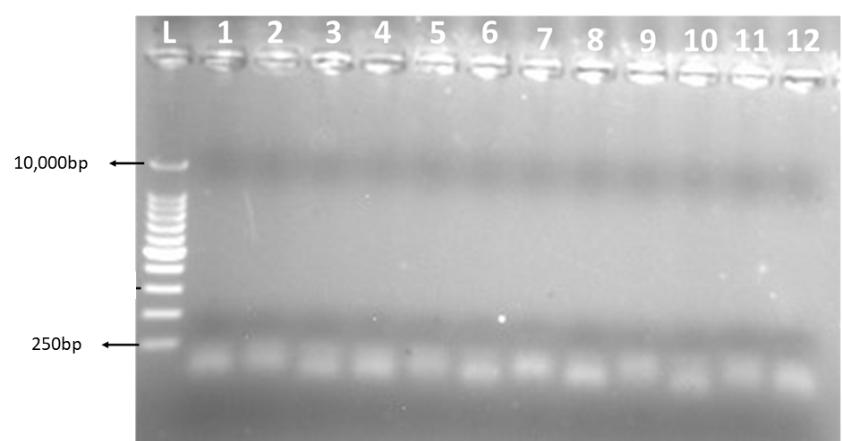
2020-03-02
current location of plate: Graham Davies building floor 5 freezer B
Library prep plate layout |  |  |  |  |  |  |  |  |  |  |  |  | Barcodes used
 | 1 | 2 | 3 | 4 | 5 | 6 | 7 | 8 | 9 | 10 | 11 | 12 | well | Barcode: I7_Index_ID | Barcode: Index 1 | Barcode: I5_Index_ID | Barcode: Index 2
A | N1A | N1A | N2A | N2A | N3A | N4A | N6A | N7A | N7A | N8A | N10A | N11A | A1 | S762 | TTACCGAC | S512 | CGTATTCG
B |  |  |  |  |  |  |  |  |  |  |  |  | A2 | S729 | AGTGACCT | S591 | CTCCTAGA
C |  |  |  |  |  |  |  |  |  |  |  |  | A3 | S702 | TCGGATTC | S523 | TAGTTGCG
D |  |  |  |  |  |  |  |  |  |  |  |  | A4 | S763 | CAAGGTAC | S505 | GAGATACG
E |  |  |  |  |  |  |  |  |  |  |  |  | A5 | S769 | TCCTCATG | S519 | AGGTGTAC
F |  |  |  |  |  |  |  |  |  |  |  |  | A6 | S771 | GTCAGTCA | S531 | TAATGCCG
G |  |  |  |  |  |  |  |  |  |  |  |  | A7 | S712 | CGAATACG | S562 | GTCGGTAA
H |  |  |  |  |  |  |  |  |  |  |  |  | A8 | S791 | TCTAGGAG | S529 | AGGTCACT
 |  |  |  |  |  |  |  |  |  |  |  |  | A9 | S723 | CGCAACTA | S502 | GAATCCGA
Qubit Results (ng/µl) |  |  |  |  |  |  |  |  |  |  |  |  | A10 | S705 | CGTATCTC | S563 | GTACCTTG
 | 1 | 2 | 3 | 4 | 5 | 6 | 7 | 8 | 9 | 10 | 11 | 12 | A11 | S719 | GTACACCT | S569 | CATGAGGA
A | 0.87 | 2.82 | 4.19 | 0.82 | 2.2 | 0.12 | 1.44 | 2.1 | 3.14 | 5.34 | 2.94 | 0.7 | A12 | S731 | CGGCATTA | S571 | TGACTGAC
B
C
D
E
F
G
H

Total Amount of DNA on Storage Plate (ng)
 | 1 | 2 | 3 | 4 | 5 | 6 | 7 | 8 | 9 | 10 | 11 | 12
A | 30.45 | 98.7 | 146.65 | 28.7 | 77 | 4.2 | 50.4 | 73.5 | 109.9 | 186.9 | 102.9 | 24.5
B
C
D
E
F
G
H

Amount of DNA in 26µl if not diluted Storage Plate (ng)
 | 1 | 2 | 3 | 4 | 5 | 6 | 7 | 8 | 9 | 10 | 11 | 12
A | 22.62 | 73.32 | 108.94 | 21.32 | 57.2 | 3.12 | 37.44 | 54.6 | 81.64 | 138.84 | 76.44 | 18.2
B
C
D
E
F
G
H

amount of original sample needed in dilution (µl)
 | 1 | 2 | 3 | 4 | 5 | 6 | 7 | 8 | 9 | 10 | 11 | 12
A | 11.49 | 3.55 | 2.39 | 12.20 | 4.55 | 83.33 | 6.94 | 4.76 | 3.18 | 1.87 | 3.40 | 14.29
B
C
D
E
F
G
H

Amount of elution buffer needed in each well (µl)
 | 1 | 2 | 3 | 4 | 5 | 6 | 7 | 8 | 9 | 10 | 11 | 12
A | 14.51 | 22.45 | 23.61 | 13.80 | 21.45 | -57.33 | 19.06 | 21.24 | 22.82 | 24.13 | 22.60 | 11.71
B
C
D
E
F
G
H

Final concentrations on plate (ng/µl)
 | 1 | 2 | 3 | 4 | 5 | 6 | 7 | 8 | 9 | 10 | 11 | 12
A | 10 | 10 | 10 | 10 | 10 | 10 | 10 | 10 | 10 | 10 | 10 | 10
B
C
D
E
F
G
H

Gel Results

Troubleshoot samples
2020-03-06
current location of plate: Graham Davies building floor 5 freezer B
Library prep plate layout |  |  |  |  |  |  |  |  |  |  |  |  | Barcodes used
 | 1 | 2 | 3 | 4 | 5 | 6 | 7 | 8 | 9 | 10 | 11 | 12 | well | Barcode: I7_Index_ID | Barcode: Index 1 | Barcode: I5_Index_ID | Barcode: Index 2
A | N2A | pooled O. volvulus samnple | high quality mf sample | B. pahangi | B. pahangi |  |  |  |  |  |  |  | A1 | S713 | TCGTCTGA | S586 | TCAAGGAC
B |  |  |  |  |  |  |  |  |  |  |  |  | A2 | S777 | AGCCTATC | S526 | GTTACGCA
C |  |  |  |  |  |  |  |  |  |  |  |  | A3 | S796 | CTGTACCA | S507 | AGTCTGTG
D |  |  |  |  |  |  |  |  |  |  |  |  | A4 | S797 | AGACCTTG | S501 | GCACGTAA
E |  |  |  |  |  |  |  |  |  |  |  |  | A5 | S752 | AGGATAGC | S544 | AACCTTGG
F
G
H

Qubit Results (ng/µl)
 | 1 | 2 | 3 | 4 | 5 | 6 | 7 | 8 | 9 | 10 | 11 | 12
A | 5 | 1.1 | 0.08 | 20 | 20
B
C
D
E
F
G
H

Total Amount of DNA on Storage Plate (ng)
 | 1 | 2 | 3 | 4 | 5 | 6 | 7 | 8 | 9 | 10 | 11 | 12
A | 175 | 38.5 | 2.8 | 700 | 700
B
C
D
E
F
G
H

Amount of DNA in 26µl if not diluted Storage Plate (ng)
 | 1 | 2 | 3 | 4 | 5 | 6 | 7 | 8 | 9 | 10 | 11 | 12
A | 130 | 28.6 | 2.08 | 520 | 520
B
C
D
E
F
G
H

amount of original sample needed in dilution (µl)
 | 1 | 2 | 3 | 4 | 5 | 6 | 7 | 8 | 9 | 10 | 11 | 12
A | 0.40 | 1.82 | 25.00 | 1.00 | 0.10
B
C
D
E
F
G
H

Amount of elution buffer needed in each well (µl)
 | 1 | 2 | 3 | 4 | 5 | 6 | 7 | 8 | 9 | 10 | 11 | 12
A | 25.60 | 24.18 | 1.00 | 25.00 | 25.90
B
C
D
E
F
G
H

Final concentrations on plate (ng/µl)
 | 1 | 2 | 3 | 4 | 5 | 6 | 7 | 8 | 9 | 10 | 11 | 12
A | 2 | 2 | 2 | 20 | 2
B
C
D
E
F
G
H

gel result

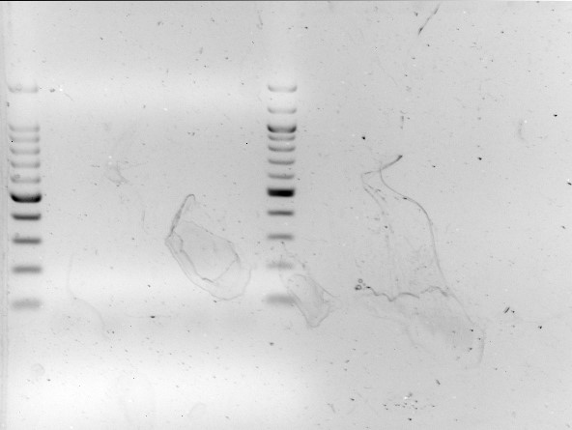
10,000bp
10,000bp
250bp
250bp
L
L
1
2
3
4
5

note* although there looks like there is nothing in the wells on the original image there are very faint library smears just under 250bp in each well

Trouble shooting HeLa gDNA
2020-03-16
current location of plate: Graham Davies building floor 5 freezer B
Library prep plate layout |  |  |  |  |  |  |  |  |  |  |  |  | Barcodes used
 | 1 | 2 | 3 | 4 | 5 | 6 | 7 | 8 | 9 | 10 | 11 | 12 | well | Barcode: I7_Index_ID | Barcode: Index 1 | Barcode: I5_Index_ID | Barcode: Index 2
A | Billy (Attempt) | Jacob (Attempt) | DNA library prep using old fragmentation enzyme | DNA library prep using old ligation Enzyme |  |  |  |  |  |  |  |  | A1 | S779 | CCTTCCAT | S589 | ATTGCGTG
B |  |  |  |  |  |  |  |  |  |  |  |  | A2 | S786 | GTCCTTGA | S513 | TCAGACGA
C |  |  |  |  |  |  |  |  |  |  |  |  | A3 | S726 | TGCGTAAC | S577 | GATAGGCT
D |  |  |  |  |  |  |  |  |  |  |  |  | A4 | S707 | CACAGACT | S596 | TGGTACAG
E
F
G
H

Final concentrations on plate (ng/µl)
 | 1 | 2 | 3 | 4 | 5 | 6 | 7 | 8 | 9 | 10 | 11 | 12
A | 20 | 20 | 20 | 20 | 20
B
C
D
E
F
G
H

note* All samples in this library prep are HeLa cell DNA provided by New England Biolabs
gel result
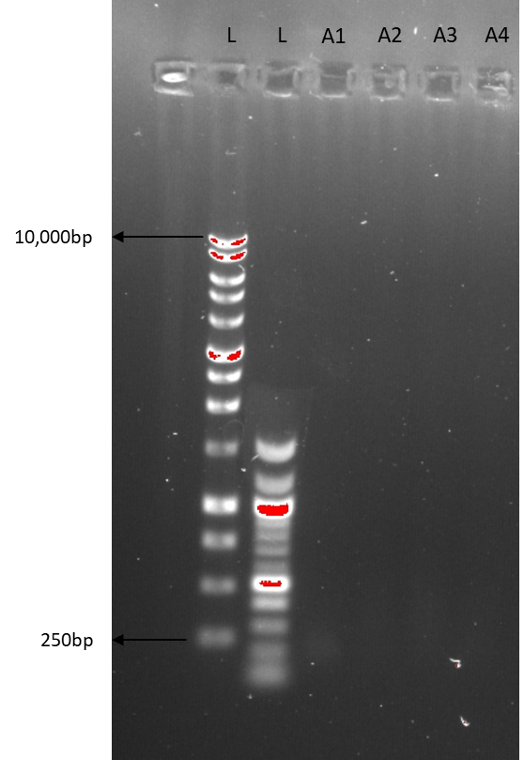

note* although there looks like there is nothing in the wells on the original image there are very faint library smears just under 250bp in each well

